Sheet1
IMAGE | CODE | DESCRIPTION | RRP | Total RRP | QUANTITY
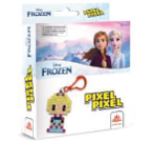 | BB14-01 | ELSA ACTIVITY BEADS | £3.99 |  | 1122
 |  | 1 PICTURE, , 90-140 Beads, 1 pegboard , 1 ironing paper, 1 Key chain |  | £4,476.78
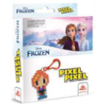 | BB14-02 | ANNA ACTIVITY BEADS | £3.99 | £0.00 | 1139
 |  | 1 PICTURE, , 90-140 Beads, 1 pegboard , 1 ironing paper, 1 Key chain |  | £4,544.61
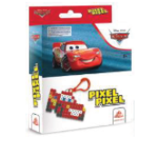 | BB14-03 | CARS ACTIVITY BEADS | £3.99 | £0.00 | 1121
 |  | 1 PICTURE, , 90-140 Beads, 1 pegboard , 1 ironing paper, 1 Key chain |  | £4,472.79
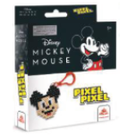 | BB14-04 | MICKEY ACTIVITY BEADS | £3.99 | £0.00 | 1146
 |  | 1 PICTURE, , 90-140 Beads, 1 pegboard , 1 ironing paper, 1 Key chain |  | £4,572.54
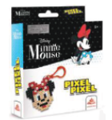 | BB14-05 | MINNIE ACTIVITY BEADS | £3.99 | £0.00 | 1133
 |  | 1 PICTURE, , 90-140 Beads, 1 pegboard , 1 ironing paper, 1 Key chain |  | £4,520.67
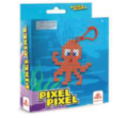 | BBU14-01 | OCTOPUS ACTIVITY BEADS | £3.49 | £0.00 | 1046
 |  | 1 PICTURE, , 90-140 Beads, 1 pegboard , 1 ironing paper, 1 Key chain |  | £3,650.54
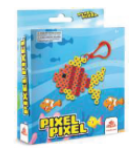 | BBU14-02 | FISH ACTIVITY BEADS | £3.49 | £0.00 | 1060
 |  | 1 PICTURE, , 90-140 Beads, 1 pegboard , 1 ironing paper, 1 Key chain |  | £3,699.40
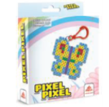 | BBU14-03 | BUTTERFLY ACTIVITY BEADS | £3.49 | £0.00 | 1038
 |  | 1 PICTURE, , 90-140 Beads, 1 pegboard , 1 ironing paper, 1 Key chain |  | £3,622.62
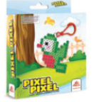 | BBU14-04 | BIRDS ACTIVITY BEADS | £3.49 | £0.00 | 1038
 |  | 1 PICTURE, , 90-140 Beads, 1 pegboard , 1 ironing paper, 1 Key chain |  | £3,622.62
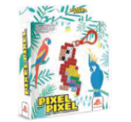 | BBU14-05 | PARROT ACTIVITY BEADS | £3.49 | £0.00 | 1112
 |  | 1 PICTURE, , 90-140 Beads, 1 pegboard , 1 ironing paper, 1 Key chain |  | £3,880.88
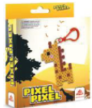 | BBU14-06 | GIRAFFE ACTIVITY BEADS | £3.49 | £0.00 | 1013
 |  | 1 PICTURE, , 90-140 Beads, 1 pegboard , 1 ironing paper, 1 Key chain |  | £3,535.37
 |  |  |  | £0.00
SAND ART |  |  |  | £0.00
 |  |  |  | £0.00
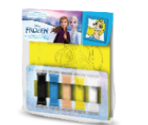 | PSS-01 | FROZEN SAND PAINTING | £3.99 | £0.00 | 756
 |  | 1 pc card (11 x 11cm), 5 pcs colored sand in stick bags |  | £3,016.44
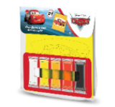 | PSS-02 | CARS SAND PAINTING | £3.99 | £0.00 | 779
 |  | 1 pc card (11 x 11cm), 5 pcs colored sand in stick bags |  | £3,108.21
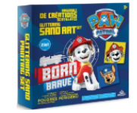 | MBKS-01 | PP BORN BRAVE SAND PAINTING | £3.99 | £0.00 | 852
 |  | 2 pcs cards (11 x 11cm), 8 pcs colored sand in stick bags |  | £3,399.48
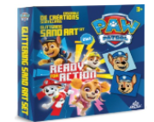 | MBKS-02 | PP READY FOR ACTION SAND PAINTING | £3.99 | £0.00 | 679
 |  | 2 pcs cards (11 x 11cm), 8 pcs colored sand in stick bags |  | £2,709.21
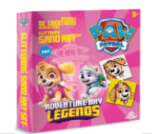 | MBKS-03 | PP ADVENTURE BAY SAND PAINTING | £3.99 | £0.00 | 667
 |  | 2 pcs cards (11 x 11cm), 8 pcs colored sand in stick bags |  | £2,661.33
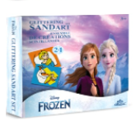 | MBKS-10 | FROZEN SAND PAINTING | £3.99 | £0.00 | 651
 |  | 2 pcs cards (11 x 11cm), 8 pcs colored sand in stick bags |  | £2,597.49
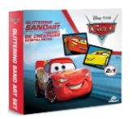 | MBKS-11 | CARS SAND PAINTING | £3.99 | £0.00 | 543
 |  | 2 pcs cards (11 x 11cm), 8 pcs colored sand in stick bags |  | £2,166.57
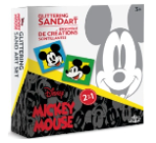 | MBKS-12 | MICKEY SAND PAINTING | £3.99 | £0.00 | 681
 |  | 2 pcs cards (11 x 11cm), 8 pcs colored sand in stick bags |  | £2,717.19
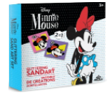 | MBKS-13 | MINNIE SAND PAINTING | £3.99 | £0.00 | 675
 |  | 2 pcs cards (11 x 11cm), 8 pcs colored sand in stick bags |  | £2,693.25
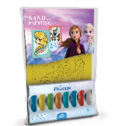 | PSMS-01 | FROZEN SAND PAINTING | £4.99 | £0.00 | 393
 |  | 2 pcs cards (1x 16.5 x 23.5cm), (1x 16.5 x 11.75cm), 1 pc stick, 16 sticks of colored sand |  | £1,961.07
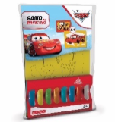 | PSMS-02 | CARS SAND PAINTING | £4.99 | £0.00 | 422
 |  | 2 pcs cards (1x 16.5 x 23.5cm), (1x 16.5 x 11.75cm), 1 pc stick, 16 sticks of colored sand |  | £2,105.78
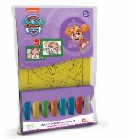 | PSMSA-01 | PP SKYE SAND PAINTING | £4.99 | £0.00 | 380
 |  | 2 pcs cards (1x 16.5 x 23.5cm), (1x 16.5 x 11.75cm), 1 pc stick, 16 sticks of colored sand |  | £1,896.20
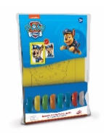 | PSMSA-02 | PP CHASE SAND PAINTING | £4.99 | £0.00 | 393
 |  | 2 pcs cards (1x 16.5 x 23.5cm), (1x 16.5 x 11.75cm), 1 pc stick, 16 sticks of colored sand |  | £1,961.07
 |  |  |  |  | 19839

